Commissioning Spares
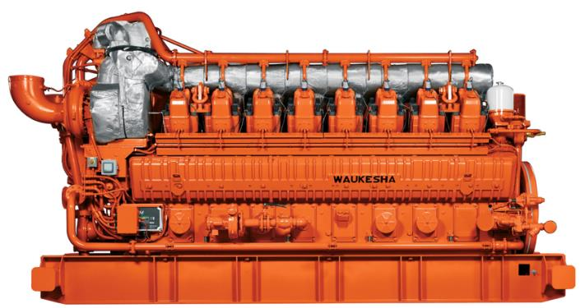

Engine Model: 16V275GL Plus

Part Number | Description | Quantity | User Price(USD)
 |  |  | Each | Extended
199395B | Lube Oil Filter | 6 | $42.86 | 257.14
69919D | Plug, Spark 13/16 Reach | 2 | $207.14 | 414.29
211665D | Kit, Admission Valve Repair | 2 | $300.00 | 600.00
325197A | Centrifugal Filter Seal Kit | 1 | $206.47 | 206.47
Start up spare parts Total Cost: |  |  |  | $1,477.90

